Calculator
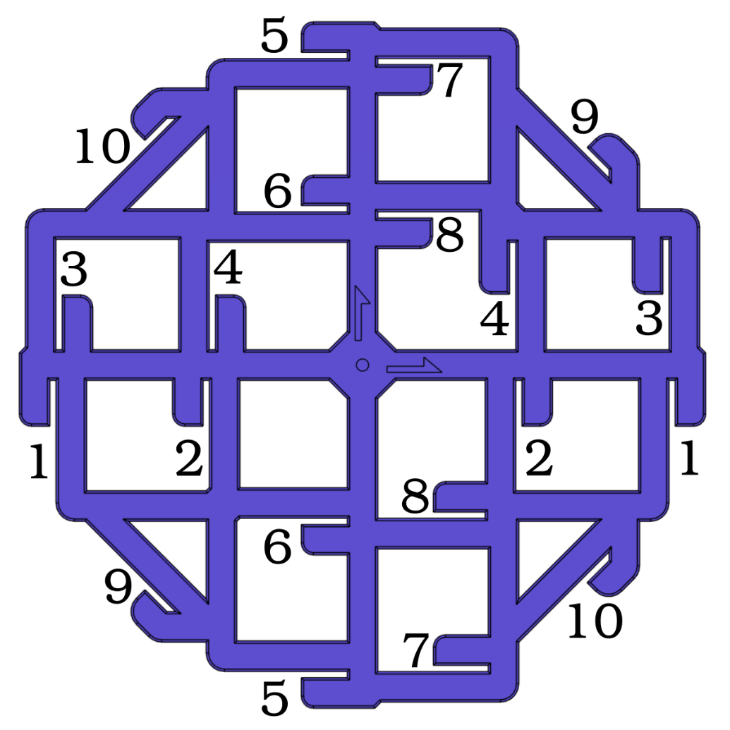
Vector 3D Califlower
Measurements
(This spreadsheet is locked to prevent accidental modification)
 | Scale | 100%
 | (if you have a larger printer, and larger tools, you can print at larger scale)

 | Reading 1 | Reading 2 | Reading 3 | Average
1 | 100.00 | 100.00 | 100.00 | 100.00
2 | 50.00 | 50.00 | 50.00 | 50.00
3 | 100.00 | 100.00 | 100.00 | 100.00
4 | 50.00 | 50.00 | 50.00 | 50.00
5 | 100.00 | 100.00 | 100.00 | 100.00
6 | 50.00 | 50.00 | 50.00 | 50.00
7 | 100.00 | 100.00 | 100.00 | 100.00
8 | 50.00 | 50.00 | 50.00 | 50.00
9 | 100.00 | 100.00 | 100.00 | 100.00
10 | 100.00 | 100.00 | 100.00 | 100.00

 | Green | <1mm deviation. Measurement seems ok. Continue.
 | Yellow | >1mm deviation warning. Double-check your measurement.
 | Red | >5mm deviation warning. Steps/mm or large measurement error.

Results |  |  |  |  | What the Results Mean
 | Error | Correction |  |  | If X and Y errors are both negative, your print is undersize by the percentage shown.
X | 0.00% | 0.00% |  |  | If X and Y errors are both positive, your print is oversize by the percentage shown.
Y | 0.00% | 0.00% |  |  | If X and Y errors are very different from each other, check your steps/mm and belt tension.
 |  |  |  |  | If you have CoreXY, X and Y are 'locked' to each other so use the average of the two errors.
 | Measured | Correction |  |  | For X and Y see 'Fix Size' below. For skew see 'Fix Skew'
Angle | 90.00° |  |  |  | Inner and Outer errors are averages that include X and Y dimensions that may be useful to diagnose over/under extrusion.
Skew | 0.00° | 0.00° |  |  | If inner is negative, and outer is positive, this could indicate over extrusion.
 |  |  |  |  | If inner is positive, and outer is negative, this could indicate under extrusion.
 | Measured | Correction
Inner | 0.00% | 0.00% |  |  | Tips For Implementation
Outer | 0.00% | 0.00% |  |  | Ensure you have calibration Extuder Step/mm before doing this test.
 |  |  |  |  | Ensure you have XYZ Steps/mm set approximately correct before doing this test.
Fix Skew |  |  |  |  | If you have quite large skew error (>0.5°), correct this first before doing XY scale compensation.
Note: Because of the way excel works, you may find "," and "." get switched for your regional language settings. |  |  |  |  | Superslicer is the only slicer with Material XY Shrinkage compensation. If you use Cura, PS, ideamaker etc you will have to use steps/mm (or rotation distance) for the printer instead, or remember to scale the print for different materials
Klipper G Code Fix

 | Add | [skew_correction] |  | to printer.cfg
 | Send Command | SET_SKEW XY=100,100,70.71 |  | via console
 | Send Command | SKEW_PROFILE SAVE=CaliFlower |  | via console
 | Send Command | SAVE_CONFIG |  | via console
 | Add | SKEW_PROFILE LOAD=CaliFlower |  | to end of start G code
 | Add | SET_SKEW CLEAR=1 |  | to start of end G code

Marlin Firmware Adjustment

 | Add | if ENABLED(SKEW_CORRECTION) |  | to firmware
 | Add | define XY_DIAG_AC 100 |  | to firmware
 | Add | define XY_DIAG_BD 100 |  | to firmware
 | Add | define XY_SIDE_AD 70.7107 |  | to firmware

Marlin Firmware Adjustment (alternative)

 | Add | if ENABLED(SKEW_CORRECTION) |  | to firmware
 | Add | define XY_SKEW_FACTOR 0 |  | to firmware

Marlin G-Code Adjustment |  |  |  |  | Share
 |  |  |  |  | Feel free to share your success and results on twitter, facebook, instagram etc
 | Ensure | #define SKEW_CORRECTION_GCODE |  | in firmware | Tag me using @Adam_V3D and use #califlower
 | Send Command | M852 I0 |  | via console
 | Send Command | M500 |  | via console

RepRap Firmware Adjustment

 | Add | M556 S100 X0 |  | to config.g

Bambu Firmware
Warning: Bambu Labs have warned that their implementation of skew correction is not fully tested and may have undesired results.
 | To add skew compensation
 | Add | M1005 X100 Y100 |  | to end of start G code
 | Add | M500 |  | to end of start G code
 | Save as new printer such as appended with "skew g code"
 | Run one print
 | If ok | Go back to stock printer profile
 | If not ok | Update M1005, reprint |  | in start G code

 | If you need to reset skew
 | Add | M1005 I0 |  | to end of start G code
 | Add | M500 |  | to end of start G code
 | Run one print
 | Remove | above commands |  | from start G code

Fix Size
Material XY shinkage Compensation

 | Super/Orca Slicer | 100.00
 | Or
 | XY Part Scale (%) | 100.00

Steps/mm
 |  | Input your values below
 | Current Steps/mm (X) | 100
 | Current Steps/mm (Y) | 100

 | New Steps/mm (X) | 100.00
 | New Steps/mm (Y) | 100.00

Rotation Distance
 |  | Input your values below
 | Current Rot. Dist. (X) | 100
 | Current Rot. Dist. (Y) | 100

 | New Rot. Dist. (X) | 100.00
 | New Rot. Dist. (Y) | 100.00

